Cover


Financial and Operating Results Supplementary Financial Information Sun Life Financial Inc. (unaudited) For the period ended June 30, 2026

Business Types
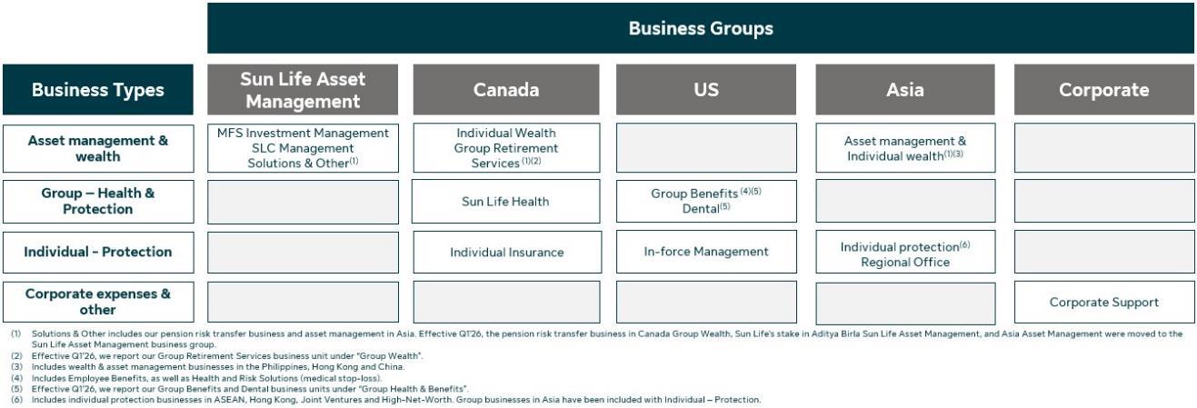
Underlying net income by Business Types
Sun Life has a diversified mix of businesses and our earnings by business type supports the analysis of our results: •Asset management & wealth: Sun Life’s asset management & wealth businesses generate fee income and/or spread on investment products. •Group - Health & Protection: Group businesses provide health and protection benefits to employer and government plan members. The products generally have shorter-term coverage periods, and more frequent repricing. The revenues are driven by premiums for coverage provided as well as fee-based earnings (i.e., Administrative Services Only plans, and dental fees). •Individual - Protection: Generally, individual protection businesses have a longer-term profitability profile and are more sensitive to experience trends. The premiums include a margin for providing protection and are invested to earn a return over the expected amounts required to fulfill insurance liabilities. The following provides an overview of the business types in Sun Life's business groups:

